API updates
API updates

4.13
 | Dojo | 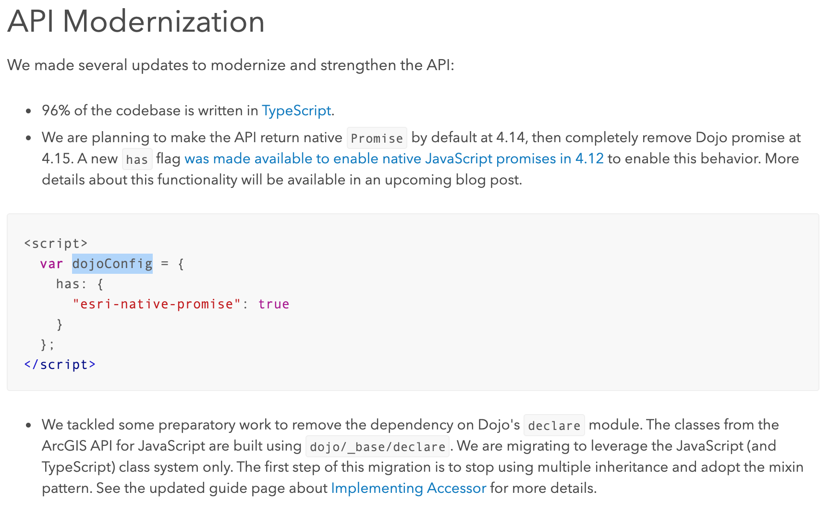

 | Swipe widget
 | Bookmark editing | 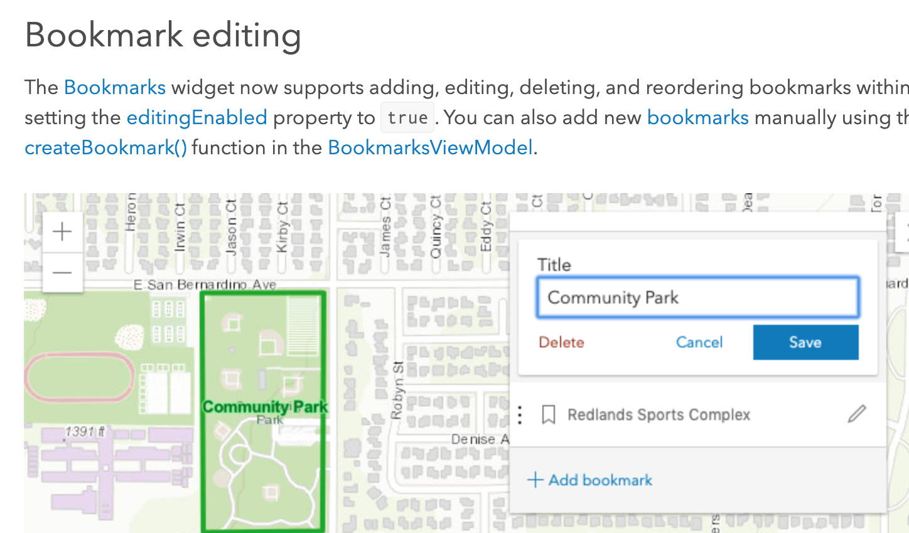
4.12
 | AbortSignal
 | Slider widgets | 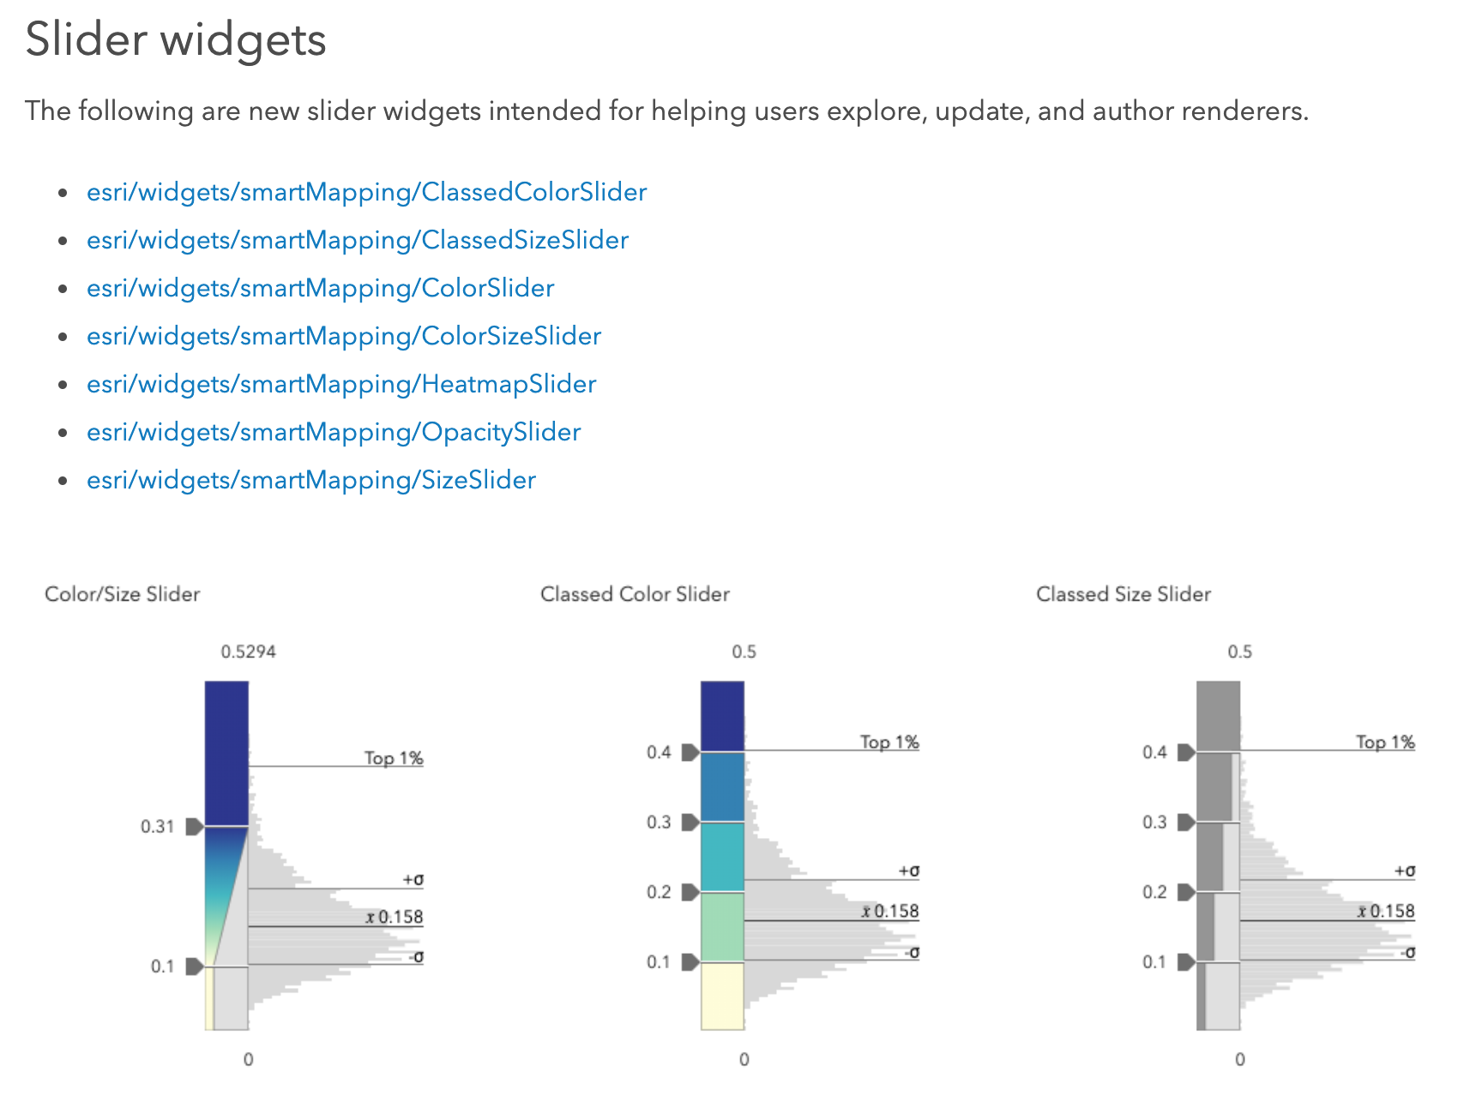

SZ point regeneration rethink
